Sheet1
 | MCX

PICK TICKET CHECK LIST |  |  |  | PO# 2812109
 |  |  |  | PT# 1594070

TICKETING |  |  | PROVIDED BY: | PLEASE CREATE BARTENDER

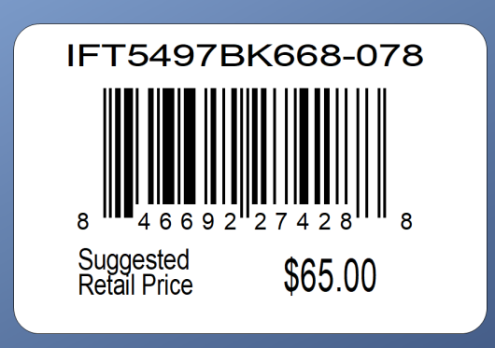

ROUTING

PACKING INSTRUCTIONS:
PACK ONE PIECE PPK BY STORE DISTRIBUTION

OUR STYLE# | QTY | CUSTOMER STYLE | UPC# | RETAIL PRICE
AXG0028U-42-009 | 6 | AXG0028U-42-009 | 196540513152 | $12.99
AXG0031U-42-846 | 6 | AXG0031U-42-846 | 196540513176 | $12.99
AXG0035U-42-0AA | 6 | AXG0035U-42-0AA | 196540513206 | $12.99
AXG0037U-42-003 | 6 | AXG0037U-42-003 | 196540513404 | $12.99
AXG0045U-42-003 | 6 | AXG0045U-42-003 | 196540513299 | $12.99
AXG0047U-42-003 | 6 | AXG0047U-42-003 | 196540513312 | $12.99
AXG0050U-42-003 | 6 | AXG0050U-42-003 | 196540513329 | $12.99
AXG0062U-42-374 | 6 | AXG0062U-42-374 | 196540513398 | $12.99
AXG0063U-42-003 | 6 | AXG0063U-42-003 | 196540513602 | $12.99
AXG0064U-42-003 | 6 | AXG0064U-42-003 | 196540513374 | $12.99

TOTAL | 60

